Technology Reference Arch.
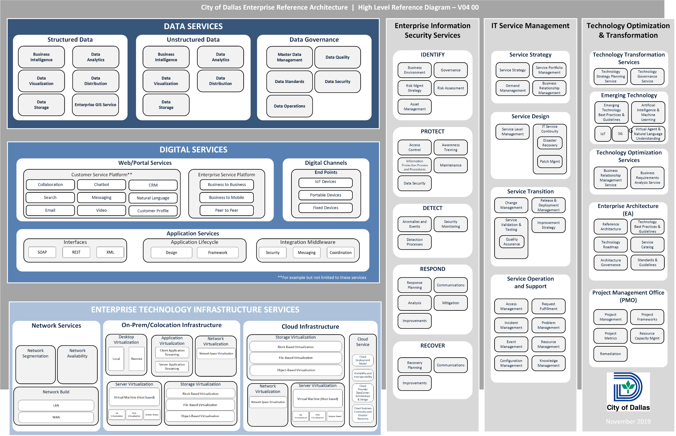
DATA SERVICES: Data Services provide the frameworks and methods for transforming data into useful information. The principles of a data centric archticture have been adopted by the City and are enabled by data services.

DIGITAL SERVICES: Digital Services provide services that are used horizontally across the enterprise to enable software or business applications.

ENTERPRISE TECHNOLOGY INFRASTRUCTURE SERVICES: Enterprise Technology Infrastructure Services are used to support applications across the organizations, and are typically focused on Network Services, On-Premise/Co-Location Infrstructure and Cloud Infrastructure.

ENTERPRISE INFORMATION SECURITY SERVICES: Enterprise information security services provide frameworks and methods to all technology and data services provided by or to the City comply with all applicable standards, guidelines and best practices.

IT SERVICE MANAGEMENT: IT Service Management encompases the activities necessary to plan, design, deliver, operate and control the technology services offered and supported by the City of Dallas.

TECHNOLOGY OPTIMIZATION & TRANSFORMATION: Enterprise Technology Optimization focuses on leveraging digital technology and practices to improve existing processes and/or delivery model. Enterprise Technology Transformation focuses on exploring emerging technologies and practices to create a renewed, forward looking and sustainable service model.

